MUTO L, XL and SC
Calculation of glass processing for fixed panels MUTO on glass

valid for MUTO Comfort L 80, Premium XL 80/150 and Premium Self-Closing 120

 |  |  | single-leaf | double-leaf | Chart T (single-leaf) |  | Chart T (double-leaf)
 |  |  |  |  | Clear opening width: | Quantitiy of drillings with BA distance | Clear opening width: | Quantitiy of drillings with BA distance
A | Glass width |  | = LW + 60* | = LW / 2 + 27* | 600-800 | 4 | 1266-1500 | 8
AB | Quantitiy of drillings in total |  |  |  | 801-1000 | 6 | 1501-2000 | 12
B | Length of track |  | = 2 x A + 67* | = 4 x A + 12* | 1001-1200 | 8 | 2001-2886 | 16
BA | Drilling distance |  | = 2 x (LW - 106*) / T | = 2x (LW - 106* - 170*) / T | 1201-1500 | 10
T | Quantitiy of drillings with BA distance |  | see chart T |  | 1501-2000 | 12
LW | Clear opening width |  |  |  | 2001-2440 | 14 | (only XL)
* | fixed, unchangeable values

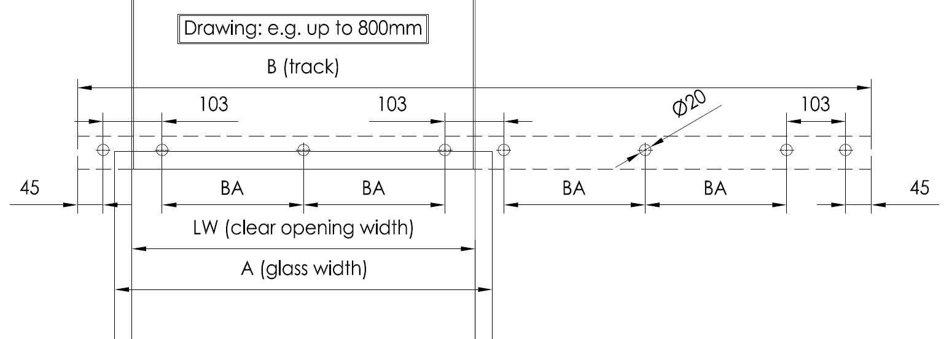
single-leaf
 |  | Art.-No.: | MUTO L 80: | 36,322
 |  |  | MUTO XL 80: | 36,524
 |  |  | MUTO XL150: | 36,525
 |  |  | MUTO SC opening to right side: | 36,624
 |  |  | MUTO SC opening to left side: | 36,625
Clear opening width:
 |  | A= | 60
 |  | B= | 187
 |  | BA= | #DIV/0!
 |  | T= | 0
 |  | AB= | 4
Clear opening height**: | Glass height L 80
 | Glass height XL 80/150 and SC
** to lower edge or track rail
double-leaf
 |  | Art.-No.: | MUTO L 80: | 36,325
 |  |  | MUTO XL 80: | 36,530
 |  |  | MUTO XL150: | 36,531
 |  |  | MUTO SC: | 36,628
Clear opening width:
 |  | A= | 27
 |  | B= | 120
 |  | BA= | -69.0
 |  | T= | 8
 |  | AB= | 14
Clear opening height**: | Glass height L 80
 | Glass height XL 80/150
** to lower edge or track rail

The trackrails are manufactured according to the above given dimensions - drilled for installation to glass In case of custimized requirements according to lenght of track rail and / or drilling hole position we are able to deliver an undrilled track rail. Processing has to be done on site. <-- These MUTO solutions do not have any dormakaba guaranty - risk is at your own.

 |  |  |  |  |  |  |  |  | Status: 08.2019

MUTO Telescopic
Calculation of glass processing for fixed panels MUTO on glass

valid for MUTO Premium Telescopic 80

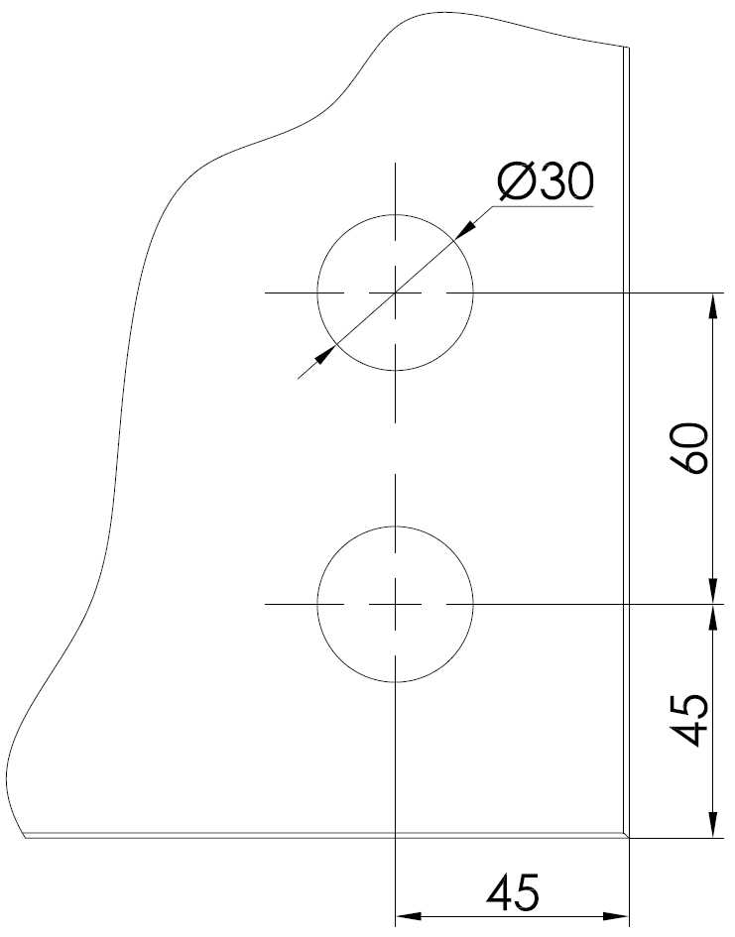
 |  |  | double-leaf | 4-leafs | Chart T (single-leaf) |  |  | Chart T (double-leaf) |  |  | moving | recessed | glass preparation moving floor guide:
 |  |  |  |  | Clear opening width: | Quantitiy of drillings with BAS/BAO distance |  | Clear opening width: | Quantitiy of drillings with BAS/BAO distance |  | floor guide: | floor guide:
A-SL | Glass width quick moving panel |  | = LW/2 + 45* + V/2 | = LW / 4 + 28,5* + V/2 |  | TS | TO |  | TS | TO
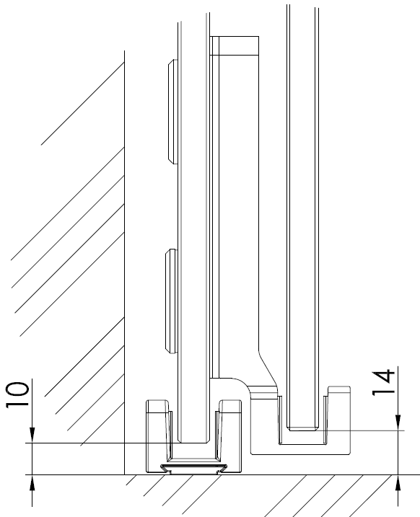
A-LL | Glass width slow moving panel |  | = LW/2 + 45* - V/2 | = LW / 4 + 28,5* - V/2 | 1110-1500 | 2 | 4 | 2286-2885 | 2 | 8
ABS | Quantitiy of drillings in fixed panel |  |  |  | 1501-1900 | 3 | 6 | 2886-3485 | 3 | 10
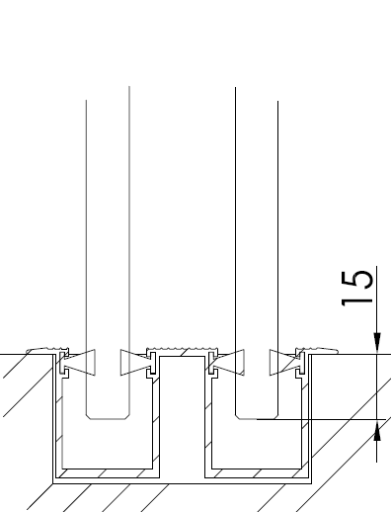
ABO | Quantitiy of drillings in overpanel |  |  |  | 1901-2310 | 4 | 8 | 3486-3886 | 4 | 12
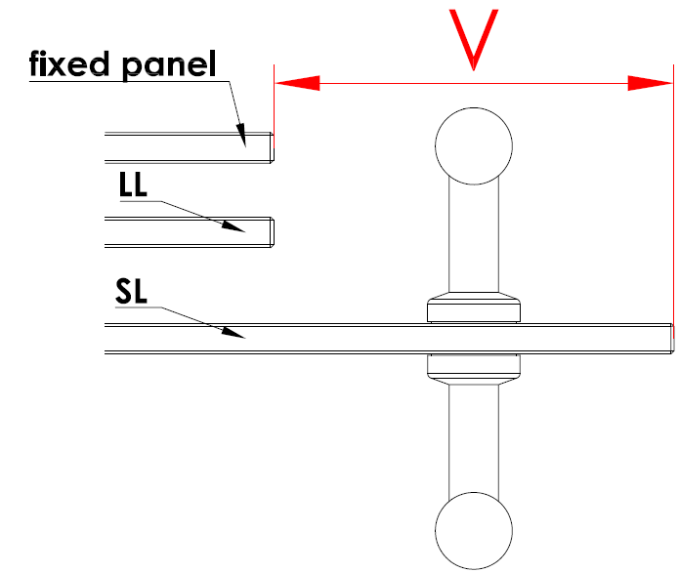
B | Length of track |  | = (LW x 1,5) + 135* - V/2 | = (LW x 1,5) + 67* - V
BAS | Drilling distance fixed panel |  | = ((B-LW) - 180*) / TS | = (B - LW - 190*) / (2 x TS)
BAO | Drillng distance overpanel |  | = (LW - 106*) / TO | = (LW - 106*) / TO
TS | Quantitiy of drillings with BAS distance |  | siehe Tabelle T
TO | Quantitiy of drillings with BAO distance |  | siehe Tabelle T
LW | Clear opening width
V | Protrusion of the quick-moving panel |  | (!!!Not to centre of bore hole!!!)
* | fixed, unchangeable values

double-leaf
 |  | Art.-No.: | opening direction left | 36,719
 |  |  | opening direction right | 36,720

Clear opening width: |  | A-SL= | 45.0
 |  | A-LL= | 45.0
 |  | B= | 135.0
Meassure V: |  | BAS= | -22.5
 |  | BAO= | -26.5
 |  | TS= | 2
 |  | TO= | 4
Clear opening height**: |  | ABS***= | 3 | *** plus 1 drilling in fixed panel "door closed" postion
 | Moving floor guide | ABO= | 5
** to lower edge or track rail | Glass height SL (quick moving panel) |  | -27
 | Glas height LL (slow moving panel) |  | 18

4-leafs
 |  | Art.-No.: | opening to both sides | 36,724

Clear opening width: |  | A-SL= | 28.5
 |  | A-LL= | 28.5
 |  | B= | 67.0
Meassure V: |  | BAS= | -30.8
 |  | BAO= | -13.3
 |  | TS= | 2
 |  | TO= | 8
Clear opening height**: |  | ABS= | 3
 | Moving floor guide | ABO= | 9
** to lower edge or track rail | Glass height SL (quick moving panel) |  | -27
 | Glas height LL (slow moving panel) |  | 18

The track rails are manufactured according to the above given dimensions - drilled for installation to glass In case of custimized requirements according to lenght of track rail and / or drilling hole position we are able to deliver an undrilled track rail. Processing has to be done on site. <-- These MUTO solutions do not have any dormakaba guaranty - risk is at your own.

 |  |  |  |  |  |  |  |  |  |  |  |  | Status: 08.2019
Marko Büscher, 13.07.18

